CONFERENCE
 |  |  |  | BUG REPORT : CONFERENCE LIST.

 | Title | Bug Description | steps to Reproduce | Expected Result | Actual Result | Priority | Comments | Date | Screenshots/ screenRecords | QA Name | Status

1 | Breadcrumbs are not displaying complete path. | Inside Breadcrumbs of Conference full path of page is not displayed. | 1.Open the URL https://dev-portal.svkm.ac.in/researches/user 2.Enter valid username and Password. 3.Click on Signin button. 4.Click on Research Option Under dashboard. 5.Click on Conference Presentation. | Breadcrumbs should display complete path. | Breadcrumbs are not displaying complete path. | low | Breadcrumbs should display complete path. | 2024-04-29 | 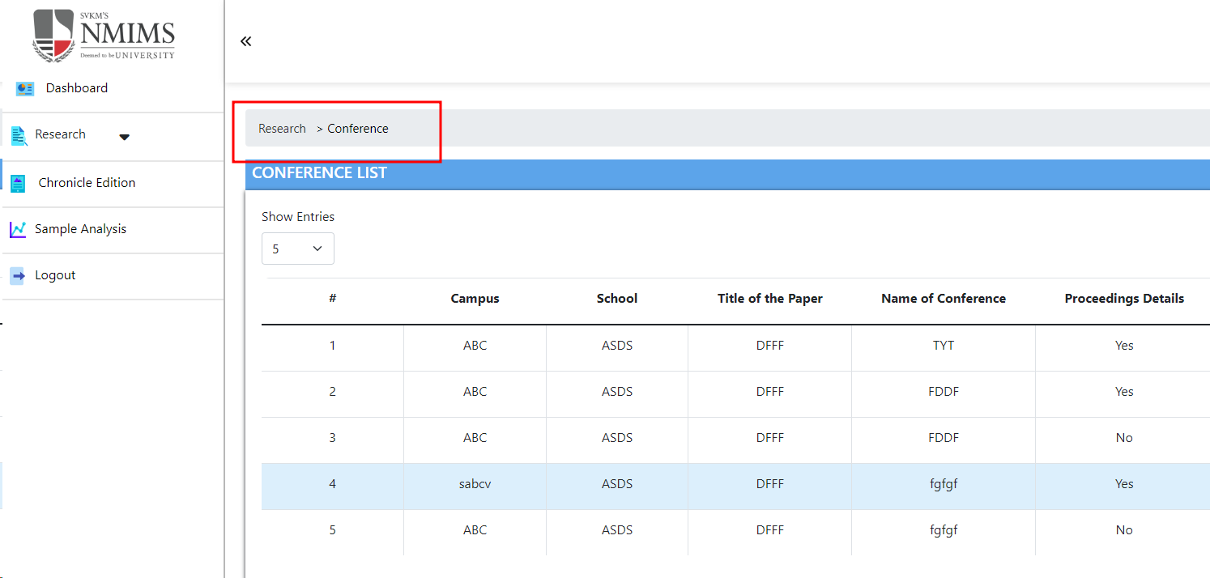 | DIKSHA | Not Applicable

2 | Add button not having Tool Label. | Add button not having Tool Label. | 1.Open the URL https://dev-portal.svkm.ac.in/researches/user 2.Enter valid username and Password. 3.Click on Signin button. 4.Click on Research Option Under dashboard. 5.Click on Conference Presentation. | Add button should have Tool Label. | Add button not having Tool Label. | low | Add button should have Tool Label. | 2024-04-29 |  |  | Running

3 | Total entries are not updated after adding or deleting data. | Total entries are not updated immediately after adding or deleting data. | 1.Open the URL https://dev-portal.svkm.ac.in/researches/user 2.Enter valid username and Password. 3.Click on Signin button. 4.Click on Research Option Under dashboard. 5.Click on Conference Presentation. | Total entries should update immediately after adding or deleting data. | Total entries are not updated immediately after adding or deleting data. | low | Total entries should update immediately after adding or deleting data. | 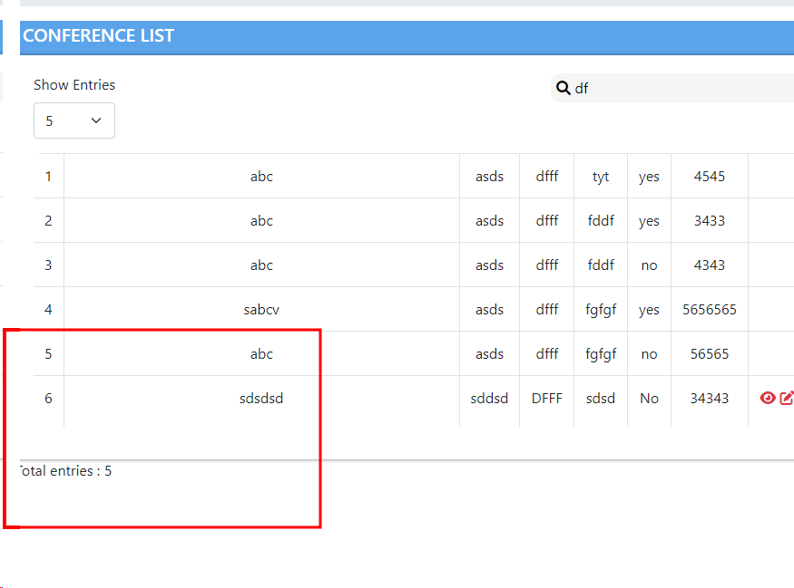 2024-04-29 |  |  | Done

4 | Search button is not there at Search field. | Search button is not there at Search field. | 1.Open the URL https://dev-portal.svkm.ac.in/researches/user 2.Enter valid username and Password. 3.Click on Signin button. 4.Click on Research Option Under dashboard. 5.Click on Conference Presentation. 6. Click on Search option. | Search button should be there at Search field. | Search button is not there at Search field. | low | Search button should be there at Search field. | 2024-04-29 |  |  | Done

5 | Close option is not there at search field. | Close option is not there at search field. | 1.Open the URL https://dev-portal.svkm.ac.in/researches/user 2.Enter valid username and Password. 3.Click on Signin button. 4.Click on Research Option Under dashboard. 5.Click on Conference Presentation. 6. Click on Search option. | Close option should be there at search field. | Close option is not there at search field. | low | Close option should be there at search field. | 2024-04-29 |  |  | Not Applicable

6 | After searching any value then table headers , Total Count , prev , next buttons are disappered. | Table Headers, Total Count , Prev , next buttons disappears after searching values . | 1.Open the URL https://dev-portal.svkm.ac.in/researches/user 2.Enter valid username and Password. 3.Click on Signin button. 4.Click on Research Option Under dashboard. 5.Click on Conference Presentation. 6. Click on Search option. | Table Headers, Total Count , Prev , next buttons should not disappear after searching values . | Table Headers,Total Count , Prev , next buttons disappears after searching values . | low | Table Headers, Total Count , Prev , next buttons should not disappear after searching values . | 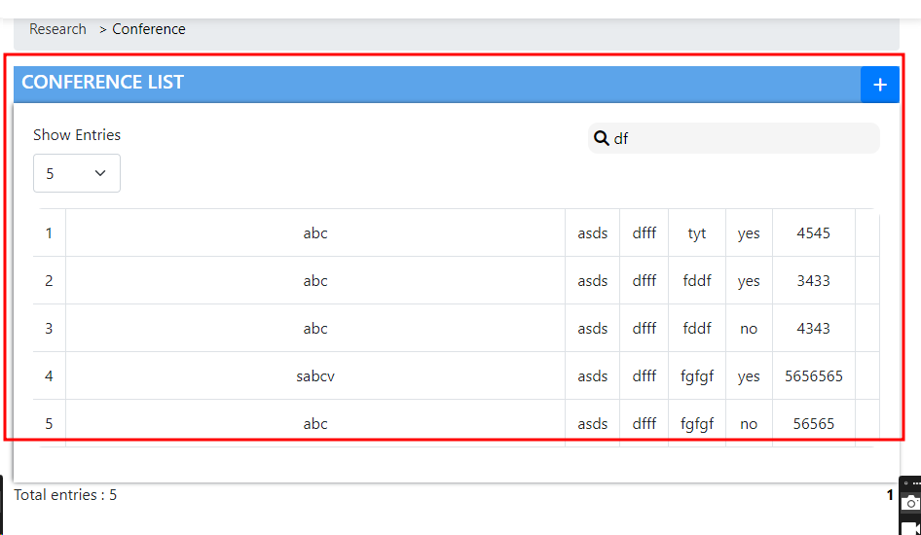 2024-04-29 |  |  | Done

7 | After searching , the content appears improperly organized. | After searching , the content appears improperly organized, leading to confusion and difficulty in interpreting the data. | 1.Open the URL https://dev-portal.svkm.ac.in/researches/user 2.Enter valid username and Password. 3.Click on Signin button. 4.Click on Research Option Under dashboard. 5.Click on Conference Presentation. 6. Click on Search option. | After searching , the content Should appear properly organized. | After searching , the content appears improperly organized | high | After searching , the content Should appear properly organized. | 2024-04-29 | 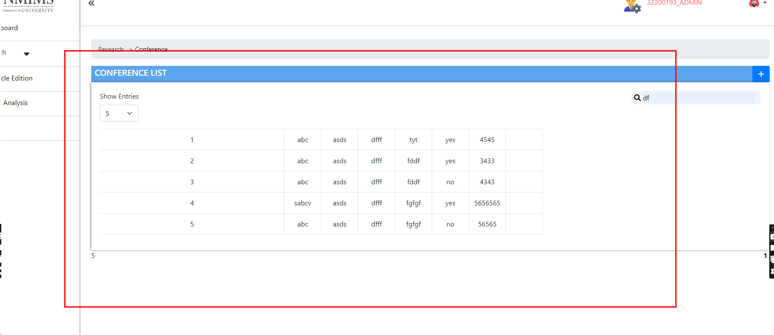 |  | Done

8 | Prev and Next buttons are not present. | When all data is on one page then prev and next buttons are not present. | 1.Open the URL https://dev-portal.svkm.ac.in/researches/user 2.Enter valid username and Password. 3.Click on Signin button. 4.Click on Research Option Under dashboard. 5.Click on Conference Presentation. | When all data is on one page then prev and next buttons should be there. | When all data is on one page then prev and next buttons are not present. | low | When all data is on one page then prev and next buttons should be there. | 2024-04-29 |  |  | Done

9 | Action columns View ,Edit, Delete options disappears after searching values. | After Searching when we Cancel/clear searched items from Search field then Action columns View , Edit , Delete options Disappears. | 1.Open the URL https://dev-portal.svkm.ac.in/researches/user 2.Enter valid username and Password. 3.Click on Signin button. 4.Click on Research Option Under dashboard. 5.Click on Conference Presentation. 6. Click on Search option. | Action columns View ,Edit, Delete options should not disappear after clearing searched values. | Action columns View ,Edit, Delete options disappears after clearing searched values. | low | Action columns View ,Edit, Delete options should not disappear after clearing searched values. | 2024-04-29 | https://screenrec.com/share/HAnIaPdNjc |  | Done

10 | Tooltips are not there for View , Delete , Edit option. | Tooltips are not there for View , Delete , Edit option. | 1.Open the URL https://dev-portal.svkm.ac.in/researches/user 2.Enter valid username and Password. 3.Click on Signin button. 4.Click on Research Option Under dashboard. 5.Click on Conference Presentation. | Tooltips should be there for View , Delete , Edit option. | Tooltips are not there for View , Delete , Edit option. | low | Tooltips should be there for View , Delete , Edit option. | 2024-04-29 |  |  | Done

11 | View , Edit , Delete pages closes after clicking on outside of the pages. | View , Edit , Delete pages closes after clicking on outside of the pages. | 1.Open the URL https://dev-portal.svkm.ac.in/researches/user 2.Enter valid username and Password. 3.Click on Signin button. 4.Click on Research Option Under dashboard. 5.Click on Conference Presentation. 6. Click on View/Edit/Delete pages. | View , Edit , Delete pages should not closed after clicking on outside of the pages. | View , Edit , Delete pages closes after clicking on outside of the pages. | low | View, Edit , Delete should close only on clicking on Close/Close button. | 2024-04-29 | https://screenrec.com/share/MPh82zgQen |  | Done

12 | Pop up boxes after update and Delete actions are not having Close or ok button. | Pop up boxes after update and Delete actions are not having Close or ok button. | 1.Open the URL https://dev-portal.svkm.ac.in/researches/user 2.Enter valid username and Password. 3.Click on Signin button. 4.Click on Research Option Under dashboard. 5.Click on Conference Presentation. 6. Click on View/Edit/Delete pages. | Pop up boxes after update and Delete action should have Close or ok button. | Pop up boxes after update and Delete actions are not having Close or ok button. | low | Pop up boxes after update and Delete action should have Close or ok button. | 2024-04-29 | 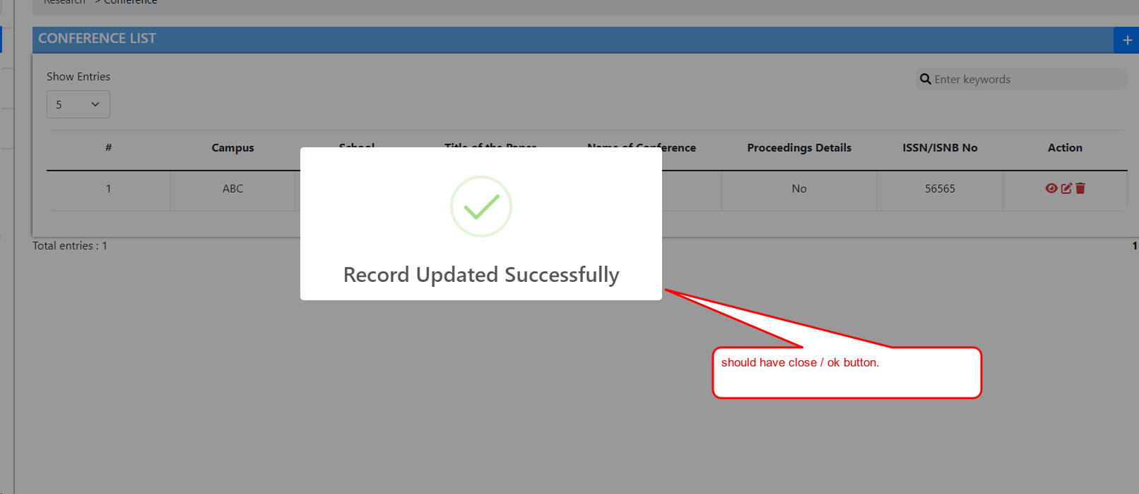 |  | Done

13 | Sr no are not displayed properly. | After Adding Conference then on front page Sr no is not added properly. | 1.Open the URL https://dev-portal.svkm.ac.in/researches/user 2.Enter valid username and Password. 3.Click on Signin button. 4.Click on Research Option Under dashboard. 5.Click on Conference Presentation. | After Adding Conference then on front page Sr no should added properly. | After Adding Conference then on front page Sr no is not added properly. | medium |  | 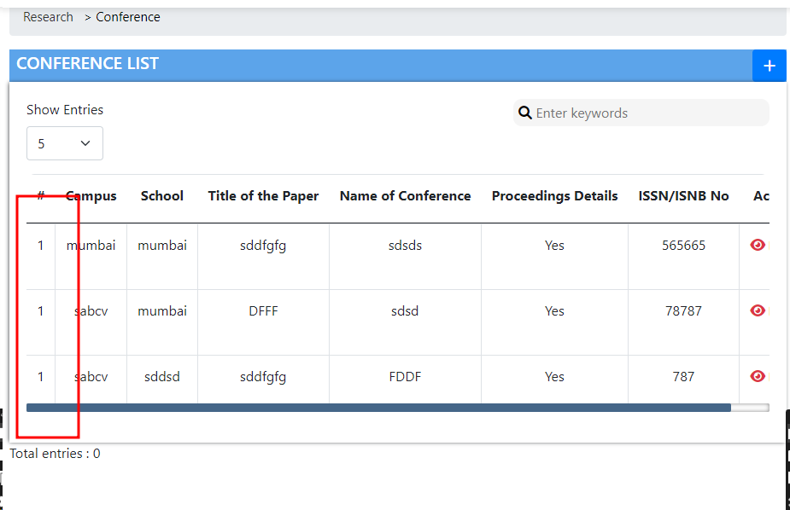 2024-04-29 |  |  | Done

14 | Pagination is not proper. | After adding New Conference, new data added on every available page. | 1.Open the URL https://dev-portal.svkm.ac.in/researches/user 2.Enter valid username and Password. 3.Click on Signin button. 4.Click on Research Option Under dashboard. 5.Click on Conference Presentation. | After adding New Conference, new data should not add on every available page. | After adding New Conference, new data added on every available page. | medium | After adding New Conference, new data should not add on every available page. | 2024-04-29 | 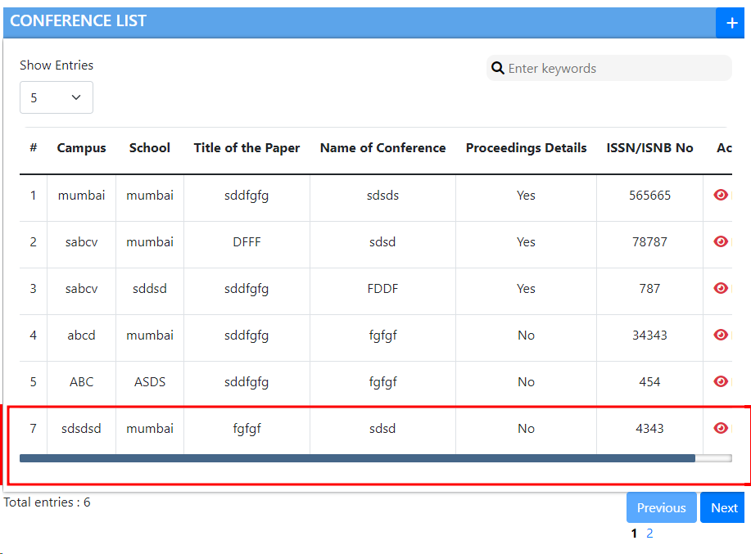 |  | Done

15 | Inside Dashboard and at Left side bar under research Title of Conference is different. | Inside Dashboard Title is Conference Presentation and at left side bar Title is Conference only so it is different. | 1.Open the URL https://dev-portal.svkm.ac.in/researches/user 2.Enter valid username and Password. 3.Click on Signin button. 4.Click on Research Option Under dashboard. 5.Click on Conference Presentation. | Inside Dashboard and at Left side bar under research Title of Conference should be same. | Inside Dashboard and at Left side bar under research Title of Conference is different. | low | Inside Dashboard and at Left side bar under research Title of Conference should be same. | 2024-04-29 |  |  | Not Applicable

16 | After giving space inside Search field all Enteries displayed on one page. | After giving space inside Search field all Enteries displayed on one page. | 1.Open the URL https://dev-portal.svkm.ac.in/researches/user 2.Enter valid username and Password. 3.Click on Signin button. 4.Click on Research Option Under dashboard. 5.Click on Conference Presentation. 6.Click on Search option. | After giving space inside Search field all Enteries should not display on one page. | After giving space inside Search field all Enteries displayed on one page. | low | After giving space inside Search field all Enteries should not display on one page. | 2024-04-29 |  |  | Done

17 | Prev and Next buttons are not Properly placed. | Prev and Next buttons allignment is not proper. | 1.Open the URL https://dev-portal.svkm.ac.in/researches/user 2.Enter valid username and Password. 3.Click on Signin button. 4.Click on Research Option Under dashboard. 5.Click on Conference Presentation. | Prev and Next buttons allignment should be proper. | Prev and Next buttons allignment is not proper. | low | Prev and Next buttons allignment should be proper. | 2024-04-29 |  |  | Done

18 | View page is not labeled as View Conference and not at Center. | View page is not labeled as View Conference and not at Center. | 1.Open the URL https://dev-portal.svkm.ac.in/researches/user 2.Enter valid username and Password. 3.Click on Signin button. 4.Click on Research Option Under dashboard. 5.Click on Conference Presentation. 6.Click on view option. | View page should be labeled as View Conference and should be allign at Center. | View page is not labeled as View Conference and not at Center. | low | View page should be labeled as View Conference and should be allign at Center. | 2024-04-29

19 | Inside Add option Page name is not displayed as Add Conference. | Inside Add option Page name is not displayed as Add Conference. | 1.Open the URL https://dev-portal.svkm.ac.in/researches/user 2.Enter valid username and Password. 3.Click on Signin button. 4.Click on Research Option Under dashboard. 5.Click on Conference Presentation. 6.Click on Add option. | Inside Add option Page name should displayed as Add Conference. | Inside Add option Page name is not displayed as Add Conference. | low | Inside Add option Page name should displayed as Add Conference. | 2024-04-29 |  |  | Not Applicable

20 | After updating any values Authors Details field displaying Undefined Value inside view. | After updating any values Authors Details field displaying Undefined Value inside view option. | 1.Open the URL https://dev-portal.svkm.ac.in/researches/user 2.Enter valid username and Password. 3.Click on Signin button. 4.Click on Research Option Under dashboard. 5.Click on Conference Presentation. 6.Click on view option. | After updating any values Authors Details field should not display Undefined Value inside view option. | After updating any values Authors Details field displaying Undefined Value inside view option. | high | After updating any values Authors Details field should not display Undefined Value inside view option. | 2024-04-29

21 | All fields are not there as per user requirement. | All fields inside Add Conference, are not there as per user requirement. | 1.Open the URL https://dev-portal.svkm.ac.in/researches/user 2.Enter valid username and Password. 3.Click on Signin button. 4.Click on Research Option Under dashboard. 5.Click on Conference Presentation. 6.Click on Add option. | Authors Name field should be there at Add Conference field. | Authors Name field is not there at Add Conference field. | medium | Authors Name field should be there at Add Conference field. | 2024-04-29 |  |  | Doubtful

23 | Nmims Campus field is accepting Numbers , Special Characters inside the field. | Nmims Campus field is accepting Numbers , Special Characters inside the field. | 1.Open the URL https://dev-portal.svkm.ac.in/researches/user 2.Enter valid username and Password. 3.Click on Signin button. 4.Click on Research Option Under dashboard. 5.Click on Conference Presentation. 6.Click on Add option. | Nmims Campus field should not accept Numbers , Special Characters inside the field. | Nmims Campus field is accepting Numbers , Special Characters inside the field. | low | Nmims Campus field should not accept Numbers , Special Characters inside the field. | 2024-04-29

24 | After entering Numbers, Special Characters inside NMIMS Campus proper field error message is not there. | After entering Numbers, Special Characters inside NMIMS Campus proper field error message is not there. | 1.Open the URL https://dev-portal.svkm.ac.in/researches/user 2.Enter valid username and Password. 3.Click on Signin button. 4.Click on Research Option Under dashboard. 5.Click on Conference Presentation. 6.Click on Add option. | After entering Numbers, Special Characters inside NMIMS Campus proper field error message is not there. | After entering Numbers, Special Characters inside NMIMS Campus proper field error message is not there. | low |  | 2024-04-29

25 | NMIMS School field is accepting Numbers and special characters inside the field. | NMIMS School field is accepting Numbers and special characters inside the field. | 1.Open the URL https://dev-portal.svkm.ac.in/researches/user 2.Enter valid username and Password. 3.Click on Signin button. 4.Click on Research Option Under dashboard. 5.Click on Conference Presentation. 6.Click on Add option. | NMIMS School field should not accept Numbers and special characters inside the field. | NMIMS School field is accepting Numbers and special characters inside the field. | low |  | 2024-04-29

26 | Proper error message is not there after entering Numbers and special characters inside the field. | Proper error message is not there after entering Numbers and special characters inside the field. | 1.Open the URL https://dev-portal.svkm.ac.in/researches/user 2.Enter valid username and Password. 3.Click on Signin button. 4.Click on Research Option Under dashboard. 5.Click on Conference Presentation. 6.Click on Add option. | Proper error message should be there after entering Numbers and special characters inside the field. | Proper error message is not there after entering Numbers and special characters inside the field. | low |  | 2024-04-29

27 | Title Of Paper field is accepting only numbers and special characters inside the field. | Title Of Paper field is accepting only numbers and special characters inside the field. | 1.Open the URL https://dev-portal.svkm.ac.in/researches/user 2.Enter valid username and Password. 3.Click on Signin button. 4.Click on Research Option Under dashboard. 5.Click on Conference Presentation. 6.Click on Add option. | Title Of Paper field should not accept only numbers and special characters inside the field. | Title Of Paper field is accepting only numbers and special characters inside the field. | low |  | 2024-04-29

28 | Title of the paper field is not having a proper error message after entering Numbers, Special characters inside the field. | Title of the paper field is not having a proper error message after entering Numbers, Special characters inside the field. | 1.Open the URL https://dev-portal.svkm.ac.in/researches/user 2.Enter valid username and Password. 3.Click on Signin button. 4.Click on Research Option Under dashboard. 5.Click on Conference Presentation. 6.Click on Add option. | Title of the paper field should have a proper error message after entering Numbers, Special characters inside the field. | Title of the paper field is not having a proper error message after entering Numbers, Special characters inside the field. | low |  | 2024-04-29

29 | Title Of Paper field is accepting only numbers and special characters inside the field. | Title Of Paper field is accepting only numbers and special characters inside the field. | 1.Open the URL https://dev-portal.svkm.ac.in/researches/user 2.Enter valid username and Password. 3.Click on Signin button. 4.Click on Research Option Under dashboard. 5.Click on Conference Presentation. 6.Click on Add option. | Title Of Paper field should not accept only numbers and special characters inside the field. | Title Of Paper field is accepting only numbers and special characters inside the field. | low |  | 2024-04-29

30 | Proceedings published yes/no field is not having proper Allignment. | Proceedings published yes/no field is not having proper Allignment. | 1.Open the URL https://dev-portal.svkm.ac.in/researches/user 2.Enter valid username and Password. 3.Click on Signin button. 4.Click on Research Option Under dashboard. 5.Click on Conference Presentation. 6.Click on Add option. | Proceedings published yes/no field should have proper Allignment. | Proceedings published yes/no field is not having proper Allignment. | medium |  | 2024-04-29

31 | Place of Conference field is accepting only numbers and special characters inside the field. | Place of Conference field is accepting only numbers and special characters inside the field. | 1.Open the URL https://dev-portal.svkm.ac.in/researches/user 2.Enter valid username and Password. 3.Click on Signin button. 4.Click on Research Option Under dashboard. 5.Click on Conference Presentation. 6.Click on Add option. | Place of Conference field should not accept only numbers and special characters inside the field. | Place of Conference field is accepting only numbers and special characters inside the field. | low |  | 2024-04-29

32 | Field error message should be there. | Place of Conference field is not having a proper error message after entering Numbers, Special characters inside the field. | 1.Open the URL https://dev-portal.svkm.ac.in/researches/user 2.Enter valid username and Password. 3.Click on Signin button. 4.Click on Research Option Under dashboard. 5.Click on Conference Presentation. 6.Click on Add option. | Place of Conference field should have a proper error message after entering Numbers, Special characters inside the field. | Place of Conference field is not having a proper error message after entering Numbers, Special characters inside the field. | low |  | 2024-04-29

33 | Are you The presenter? field is there which is not in user requirement. | Are you The presenter? field is there which is not in user requirement. | 1.Open the URL https://dev-portal.svkm.ac.in/researches/user 2.Enter valid username and Password. 3.Click on Signin button. 4.Click on Research Option Under dashboard. 5.Click on Conference Presentation. 6.Click on Add option. | Are you The presenter? field should not there which is not in user requirement. | Are you The presenter? field is there which is not in user requirement. | low |  | 2024-04-29

34 | Authors Details Field is not labeled as per Users specification. | Authors Details Field is not labeled as per Users specification. | 1.Open the URL https://dev-portal.svkm.ac.in/researches/user 2.Enter valid username and Password. 3.Click on Signin button. 4.Click on Research Option Under dashboard. 5.Click on Conference Presentation. 6.Click on Add option. | Authors Details Field is not labeled as per Users specification. | Authors Details Field is not labeled as per Users specification. | low | Authors Details should be labeled as Names of co- authors. | 2024-04-29

35 | Allignment of Author Details field after clicking on Internal/External is not proper. | Allignment of Author Details field after clicking on Internal/External is not proper. | 1.Open the URL https://dev-portal.svkm.ac.in/researches/user 2.Enter valid username and Password. 3.Click on Signin button. 4.Click on Research Option Under dashboard. 5.Click on Conference Presentation. 6.Click on Add option. | Allignment of Author Details field after clicking on Internal/External should be proper. |  | medium |  | 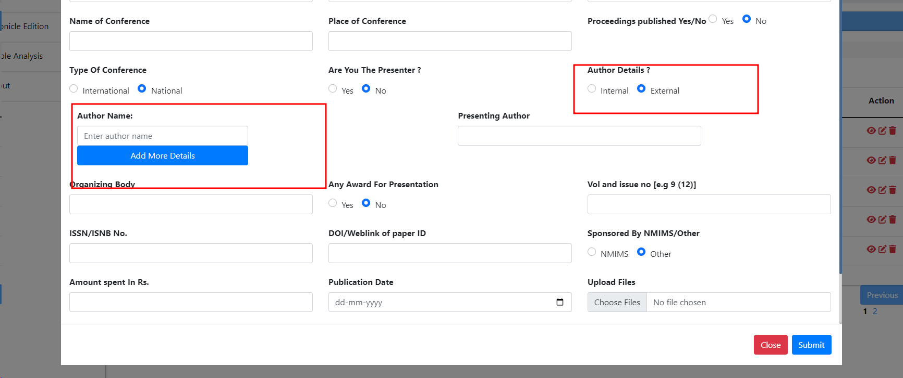 2024-04-29

36 | Presenting Author , Organizing body fields accepting numbers and Special Charcters inside the field. | Presenting Author , Organizing body fields accepting numbers and Special Charcters inside the field. | 1.Open the URL https://dev-portal.svkm.ac.in/researches/user 2.Enter valid username and Password. 3.Click on Signin button. 4.Click on Research Option Under dashboard. 5.Click on Conference Presentation. 6.Click on Add option. | Presenting Author , Organizing body fields should not accept numbers and Special Charcters inside the field. | Presenting Author , Organizing body fields accepting numbers and Special Charcters inside the field. | low |  | 2024-04-29 | 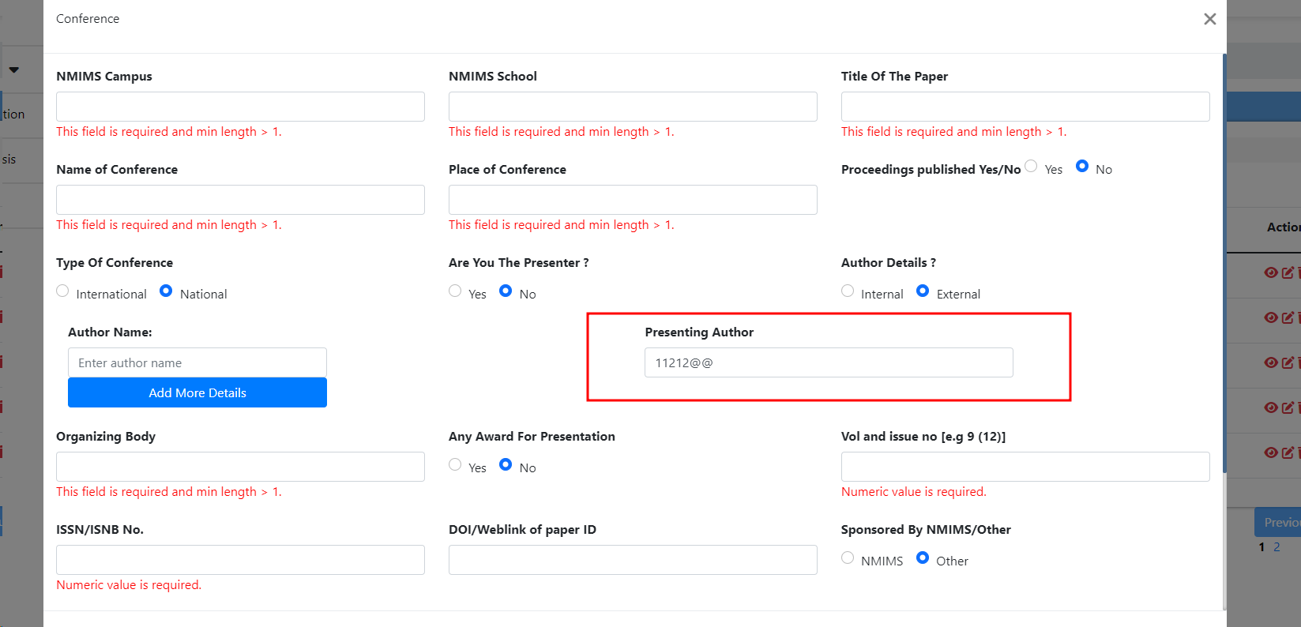

37 | Field Error message is not there. | Presenting Author , Organizing body fields are not having a proper error message after entering Numbers, Special characters inside the field. | 1.Open the URL https://dev-portal.svkm.ac.in/researches/user 2.Enter valid username and Password. 3.Click on Signin button. 4.Click on Research Option Under dashboard. 5.Click on Conference Presentation. 6.Click on Add option. | Presenting Author , Organizing body fields should have a proper error message after entering Numbers, Special characters inside the field. | Presenting Author , Organizing body fields are not having a proper error message after entering Numbers, Special characters inside the field. | low |  | 2024-04-29

38 | Field name is not proper. | Any Award For presentation field is not labeled as per User Requirement. | 1.Open the URL https://dev-portal.svkm.ac.in/researches/user 2.Enter valid username and Password. 3.Click on Signin button. 4.Click on Research Option Under dashboard. 5.Click on Conference Presentation. 6.Click on Add option. | Any Award For presentation field is not labeled as per User Requirement. | Any Award For presentation field is not labeled as per User Requirement. | low | Field Name should be Any award for presentation (upload proof, if any). | 2024-04-29

39 | DOI/Weblink of paper ID field is not accepting special characters and alphabets. | DOI/Weblink of paper ID field is not accepting special characters and alphabets. | 1.Open the URL https://dev-portal.svkm.ac.in/researches/user 2.Enter valid username and Password. 3.Click on Signin button. 4.Click on Research Option Under dashboard. 5.Click on Conference Presentation. 6.Click on Add option. | DOI/Weblink of paper ID field should acceptspecial characters and alphabets. | DOI/Weblink of paper ID field is not accepting special characters and alphabets. | low |  | 2024-04-29

40 | DOI/Weblink of paper ID field is not having field error message. | DOI/Weblink of paper ID field is not having error message after submitting blank field. | 1.Open the URL https://dev-portal.svkm.ac.in/researches/user 2.Enter valid username and Password. 3.Click on Signin button. 4.Click on Research Option Under dashboard. 5.Click on Conference Presentation. 6.Click on Add option. | DOI/Weblink of paper ID field should have error message after submitting blank field. | DOI/Weblink of paper ID field is not having error message after submitting blank field. | low | DOI/Weblink of paper ID field should have error message after submitting blank field. | 2024-04-29 | 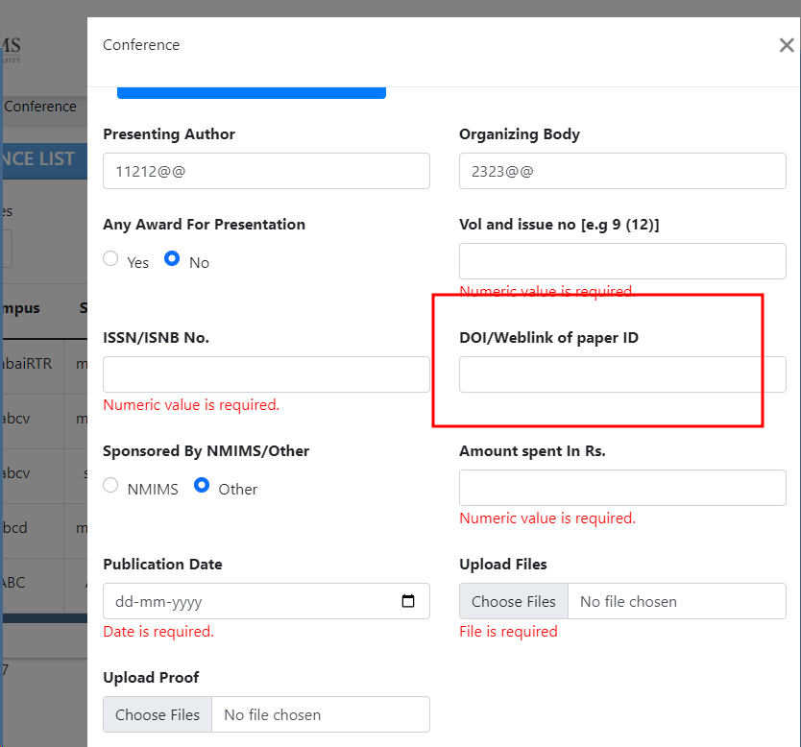

41 | Sponsored By NMIMS/OTHER field displayed as radio buttons. | Sponsored By NMIMS/OTHER field displayed as radio buttons. | 1.Open the URL https://dev-portal.svkm.ac.in/researches/user 2.Enter valid username and Password. 3.Click on Signin button. 4.Click on Research Option Under dashboard. 5.Click on Conference Presentation. 6.Click on Add option. | According to user requirement Radio buttons should not there at Sponsored By NMIMS/OTHER field | According to user requirement Radio buttons should not there at Sponsored By NMIMS/OTHER field | low | According to user requirement Radio buttons should not there at Sponsored By NMIMS/OTHER field | 2024-04-29

42 | After Selecting Yes inside Any Award For Presentation then Upload Proof Field is not displaying any field error message. | After Selecting Yes inside Any Award For Presentation then Upload Proof Field is not displaying any field error message /validation is not there. | 1.Open the URL https://dev-portal.svkm.ac.in/researches/user 2.Enter valid username and Password. 3.Click on Signin button. 4.Click on Research Option Under dashboard. 5.Click on Conference Presentation. 6.Click on Add option. | After Selecting Yes inside Any Award For Presentation then Upload Proof Field should be compulsory to fill. | After Selecting Yes inside Any Award For Presentation then Upload Proof Field should be compulsory to fill. | medium | After Selecting Yes inside Any Award For Presentation then Upload Proof Field should be compulsory to fill. | 2024-04-29

43 | Validation Failed Pop up message not having any close Option,. | Validation Failed Pop up message not having any close Option,. | 1.Open the URL https://dev-portal.svkm.ac.in/researches/user 2.Enter valid username and Password. 3.Click on Signin button. 4.Click on Research Option Under dashboard. 5.Click on Conference Presentation. 6.Click on Add option. | Validation Failed Pop up message should have close Option. | Validation Failed Pop up message not having any close Option. | low |  | 2024-04-29 | 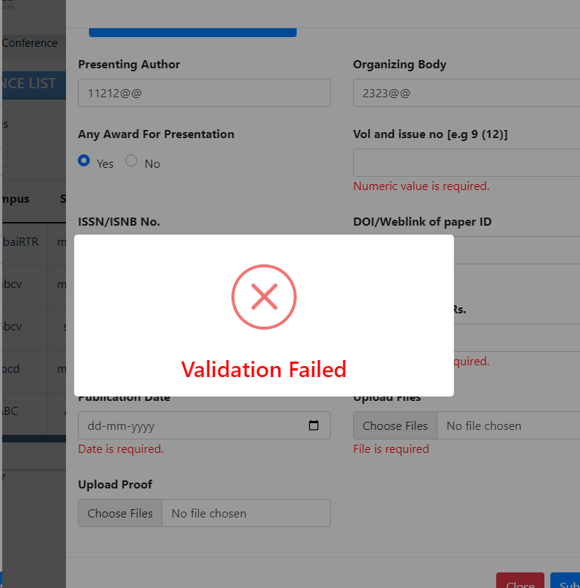

44 | At Author Details Field , after selecting Internal option all selected values remains as it is. | After submitting form ,At Author Details Field , after selecting Internal option all selected employee names remains as it is. | 1.Open the URL https://dev-portal.svkm.ac.in/researches/user 2.Enter valid username and Password. 3.Click on Signin button. 4.Click on Research Option Under dashboard. 5.Click on Conference Presentation. 6.Click on Add option. | At Author Details Field , after selecting Internal option all selected employee names field is not cleared. | After Submitting form ,At Author Details Field , after selecting Internal option all selected employee names remains as it is. | medium | After submitting form , Authors Details Dropdown list should be cleared. | 2024-04-29

45 | Add page closed after clicking on outside the page. | Add page closed after clicking on outside the page. | 1.Open the URL https://dev-portal.svkm.ac.in/researches/user 2.Enter valid username and Password. 3.Click on Signin button. 4.Click on Research Option Under dashboard. 5.Click on Conference Presentation. 6.Click on Add option. | Add page should not closed after Clicking outside the page. | Add page closed after clicking on outside the page. | low | Add page closed after clicking on outside the page.

RESEARCH PROJECT GRANT
 |  |  |  | BUG REPORT : RESEARCH PROJECT/GRANT

 | Title | Bug Description | steps to Reproduce | Expected Result | Actual Result | Priority | Comments | Date | Screenshots/ screenRecords | QA Name | Status

1 | Breadcrumbs are not displaying complete path. | Inside Breadcrumbs of Research Project/Grant full path of page is not displayed. | 1.Open the URL https://dev-portal.svkm.ac.in/researches/user 2.Enter valid username and Password. 3.Click on Signin button. 4.Click on Research Option Under dashboard. 5.Click on Research Project. | 1) Breadcrumbs should display complete path. 2) Page Title(Research Project /Grant) should be proper at Breadcrumbs. | Breadcrumbs are not displaying complete path. | low | Breadcrumbs should display complete path. | 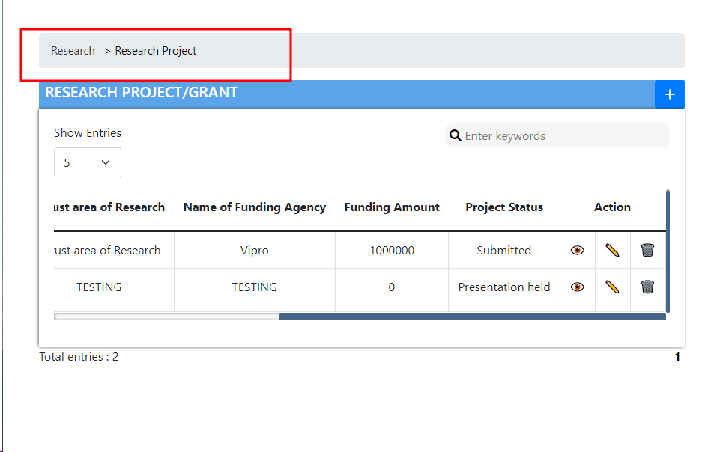 2024-04-29 |  | DIKSHA

2 | Title of list is not proper. | Title of list is displayed as Research Project /Grant only. | 1.Open the URL https://dev-portal.svkm.ac.in/researches/user 2.Enter valid username and Password. 3.Click on Signin button. 4.Click on Research Option Under dashboard. 5.Click on Research Project. | Title of list should be displayed as Research Project List. | Title of list is displayed as Research Project /Grant only. | low | Title of list should be displayed as Research Project List. | 2024-04-30

3 | Add button not having Tool Label. | Add button not having Tool Label. | 1.Open the URL https://dev-portal.svkm.ac.in/researches/user 2.Enter valid username and Password. 3.Click on Signin button. 4.Click on Research Option Under dashboard. 5.Click on Research Project. | Add button should have Tool Label. | Add button not having Tool Label. | low | Add button should have Tool Label. | 2024-04-29

4 | Search button is not there at Search field. | Search button is not there at Search field. | 1.Open the URL https://dev-portal.svkm.ac.in/researches/user 2.Enter valid username and Password. 3.Click on Signin button. 4.Click on Research Option Under dashboard. 5.Click on Research Project. 6.Click on Search option. | Search button should be there at Search field. | Search button is not there at Search field. | low | Search button should be there at Search field. | 2024-04-29

5 | Close option is not there at search field. | Close option is not there at search field. | 1.Open the URL https://dev-portal.svkm.ac.in/researches/user 2.Enter valid username and Password. 3.Click on Signin button. 4.Click on Research Option Under dashboard. 5.Click on Research Project. 6.Click on Search option. | Close option should be there at search field. | Close option is not there at search field. | low | Close option should be there at search field. | 2024-04-29

6 | Sr no is not displayed according to its available searched items. | After searching any value then sr no is not displayed according to its available searched items. | 1.Open the URL https://dev-portal.svkm.ac.in/researches/user 2.Enter valid username and Password. 3.Click on Signin button. 4.Click on Research Option Under dashboard. 5.Click on Research Project. 6.Click on Search option. | After searching any value then sr no is not displayed according to its available searched items. | After searching any value then sr no should be displayed according to its available searched items. | low |  | 2024-04-30

7 | After searching headers of table are not displayed. | After searching data is not displayed in proper way headers of table are not displayed. | 1.Open the URL https://dev-portal.svkm.ac.in/researches/user 2.Enter valid username and Password. 3.Click on Signin button. 4.Click on Research Option Under dashboard. 5.Click on Research Project. 6.Click on Search option. | After searching data should be displayed in proper way headers of table should be displayed. | After searching data is not displayed in proper way headers of table are not displayed. | low |  | 2024-04-30 | 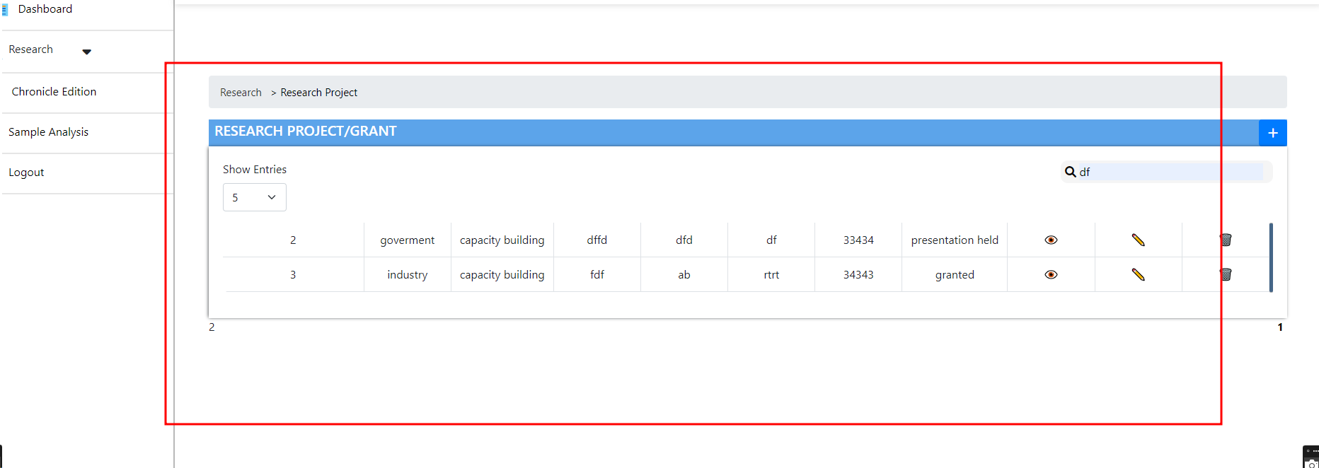

8 | Total entry name removed after clearing Search field. | After searching Total entries name is not displayed. | 1.Open the URL https://dev-portal.svkm.ac.in/researches/user 2.Enter valid username and Password. 3.Click on Signin button. 4.Click on Research Option Under dashboard. 5.Click on Research Project. 6.Click on Search option. | After searching Total entries name should be displayed. | After searching Total entries name is not displayed. | low |  | 2024-04-30

9 | View Delete, Update options are placed in separate column. | Action Columns View Delete, Update option are placed separate column. | 1.Open the URL https://dev-portal.svkm.ac.in/researches/user 2.Enter valid username and Password. 3.Click on Signin button. 4.Click on Research Option Under dashboard. 5.Click on Research Project. | Action Columns View Delete, Update option should be in one column. | Action Columns View Delete, Update option are placed separate column. | low |  | 2024-04-29

10 | View, Edit , delete pages closed after clicking outside the page. | Action Columns View , eDit , delete pages closed after clicking outside the page. | 1.Open the URL https://dev-portal.svkm.ac.in/researches/user 2.Enter valid username and Password. 3.Click on Signin button. 4.Click on Research Option Under dashboard. 5.Click on Research Project. | Action Columns View , edit , delete pages should not closed after clicking outside the page. | Action Columns View , edit , delete pages closed after clicking outside the page. | low |  | 2024-04-29

11 | After Editing Faculty Details Changes are displayed inside the view window but last Faculty is not disappear. | After Editing Faculty Details Changes are displayed inside the view window but last Faculty Details are not disappear. | 1.Open the URL https://dev-portal.svkm.ac.in/researches/user 2.Enter valid username and Password. 3.Click on Signin button. 4.Click on Research Option Under dashboard. 5.Click on Research Project. 6.Click on View option. | After Editing Faculty Details Last faculty details should get disappear from Field. | After Editing Faculty Details Changes are displayed inside the view window but last Faculty Details are not disappear. | medium |  | 2024-04-30

12 | Title of View page not proper. | Title of View page is not displayed as View Research Paper. | 1.Open the URL https://dev-portal.svkm.ac.in/researches/user 2.Enter valid username and Password. 3.Click on Signin button. 4.Click on Research Option Under dashboard. 5.Click on Research Project. 6.Click on View option. | Title of View page should be View Research Paper. | Title of View page is not displayed as View Research Paper. | low |  | 2024-04-30

13 | Alert Messages after Updating form closed by Clicking outside the box. | Alert Messages after Updating form closed by Clicking outside the box. | 1.Open the URL https://dev-portal.svkm.ac.in/researches/user 2.Enter valid username and Password. 3.Click on Signin button. 4.Click on Research Option Under dashboard. 5.Click on Research Project. | Alert Messages after Updating form should not closed by Clicking outside the box. | Alert Messages after Updating form closed by Clicking outside the box. | low |  | 2024-04-29

14 | Selected Faculty Details ID and Name field not displayed at Edit. | Faculty Details ID and Name field not displaying existing Details inside Edit mode. | 1.Open the URL https://dev-portal.svkm.ac.in/researches/user 2.Enter valid username and Password. 3.Click on Signin button. 4.Click on Research Option Under dashboard. 5.Click on Research Project. 6.Click On Edit option. | Faculty Details ID and Name field should display existing Details inside Edit mode. | Faculty Details ID and Name field not displaying existing Details inside Edit mode. | medium |  | 2024-04-30

15 | After Editing Faculty Details ID and Name then Changes are reflected inside other Entries. | After Editing Faculty Details ID and Name then Changes are reflected inside other Entries. | 1.Open the URL https://dev-portal.svkm.ac.in/researches/user 2.Enter valid username and Password. 3.Click on Signin button. 4.Click on Research Option Under dashboard. 5.Click on Research Project. 6.Click On Edit option. | After Editing Faculty Details ID and Name then Changes should not reflect in other Entries. | After Editing Faculty Details ID and Name then Changes are reflected inside other Entries. | medium |  | 2024-04-30

16 | Title of Edit Page is not as Edit Research Project. | Title of Edit Page is not as Edit Research Project. | 1.Open the URL https://dev-portal.svkm.ac.in/researches/user 2.Enter valid username and Password. 3.Click on Signin button. 4.Click on Research Option Under dashboard. 5.Click on Research Project. 6.Click On Edit option. | Title of Edit Page should be displayed as Edit Research Project. | Title of Edit Page is not as Edit Research Project. | low |  | 2024-04-30

17 | After Editing any Fields from Research Project then Type of Grant is displayed as Undefined. | After Editing any Fields from Research Project then Type of Grant is displayed as Undefined. | 1.Open the URL https://dev-portal.svkm.ac.in/researches/user 2.Enter valid username and Password. 3.Click on Signin button. 4.Click on Research Option Under dashboard. 5.Click on Research Project. 6.Click On Edit option. | After Editing any Fields from Research Project then Type of Grant should not displayed as Undefined. | After Editing any Fields from Research Project then Type of Grant is displayed as Undefined. | high |  | 2024-04-30

18 | Funding Amount is not displayed immediately inside the table after Updating it. | Funding Amount is not displayed immediately inside the table after Updating it; it is displayed after refreshing the page. | 1.Open the URL https://dev-portal.svkm.ac.in/researches/user 2.Enter valid username and Password. 3.Click on Signin button. 4.Click on Research Option Under dashboard. 5.Click on Research Project. 6.Click On Edit option. | Funding Amount should be displayed immediately inside the table after Updating it. | Funding Amount is not displayed immediately inside the table after Updating it. | low |  | 2024-04-30

19 | Pop up box after deletion is closed by Clicking outside that box | Pop up box after deletion is closed by Clicking outside that box | 1.Open the URL https://dev-portal.svkm.ac.in/researches/user 2.Enter valid username and Password. 3.Click on Signin button. 4.Click on Research Option Under dashboard. 5.Click on Research Project. 6.Click On Delete option. | Pop up box after deletion should not closed by Clicking outside that box . | Pop up box after deletion is closed by Clicking outside that box | low |  | 2024-04-30

20 | At view Date of Sanction project is not same from Edit. | Inside view Date of Sanction project is not same from Edit ; at view date is one day more than date from Edit. | 1.Open the URL https://dev-portal.svkm.ac.in/researches/user 2.Enter valid username and Password. 3.Click on Signin button. 4.Click on Research Option Under dashboard. 5.Click on Research Project. 6.Click On Edit option. | At view Date of Sanction project should be same from Edit. | At view Date of Sanction project is not same from Edit. | low |  | 2024-04-30

21 | Title inside Add option is not displayed as Add Research Project. | Title inside Add option is not displayed as Add Research Project. | 1.Open the URL https://dev-portal.svkm.ac.in/researches/user 2.Enter valid username and Password. 3.Click on Signin button. 4.Click on Research Option Under dashboard. 5.Click on Research Project. 6.Click On Add option. | Title inside Add option should displayed as Add Research Project. | Title inside Add option is not displayed as Add Research Project. | low |  | 2024-04-30

22 | Add page is closed by clicking outside the window. | Add page is closed by clicking outside the window. | 1.Open the URL https://dev-portal.svkm.ac.in/researches/user 2.Enter valid username and Password. 3.Click on Signin button. 4.Click on Research Option Under dashboard. 5.Click on Research Project. 6.Click On Add option. | Add page should not closed by clicking outside the window. | Add page is closed by clicking outside the window. | low |  | 2024-04-30

23 | Inside Add All compulsory fields are not having placeholder and Asterisk sign. | Inside Add All compulsory fields are not having placeholder and Asterisk sign. | 1.Open the URL https://dev-portal.svkm.ac.in/researches/user 2.Enter valid username and Password. 3.Click on Signin button. 4.Click on Research Option Under dashboard. 5.Click on Research Project. 6.Click On Add option. | Inside Add All compulsory fields should have a placeholder and Asterisk sign. | Inside Add All compulsory fields are not having placeholder and Asterisk sign. | low |  | 2024-04-30

24 | Title Of Project field is accepting Numbers and Special characters inside the field. | Title Of Project field is accepting Numbers and Special characters inside the field and proper Error message is not there. | 1.Open the URL https://dev-portal.svkm.ac.in/researches/user 2.Enter valid username and Password. 3.Click on Signin button. 4.Click on Research Option Under dashboard. 5.Click on Research Project. 6.Click On Add option. | Title Of Project field should not accept Numbers and Special characters inside the field and proper Error message should be there at field. | Title Of Project field is accepting Numbers and Special characters inside the field and proper Error message is not there. | low |  | 2024-04-30 | 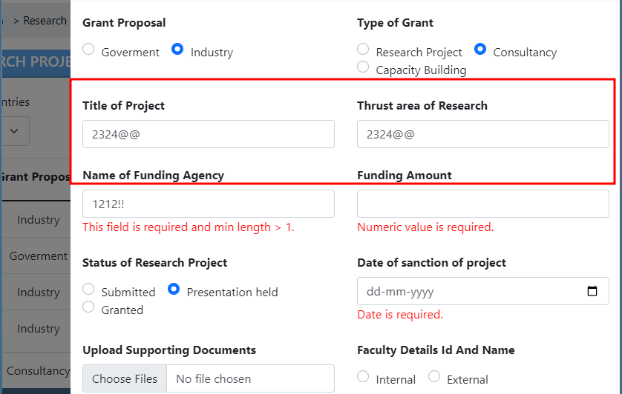

25 | Thrust Area Of Research project field is accepting Numbers or Special characters inside the field and Field error message is not there. | Thrust Area Of Research project field is accepting Numbers or Special characters inside the field and Field error message is not there. | 1.Open the URL https://dev-portal.svkm.ac.in/researches/user 2.Enter valid username and Password. 3.Click on Signin button. 4.Click on Research Option Under dashboard. 5.Click on Research Project. 6.Click On Add option. | Thrust Area Of Research project field should accept Numbers or Special characters inside the field. | Thrust Area Of Research project field is accepting Numbers or Special characters inside the field and Field error message is not there. | low |  | 2024-04-30

26 | Name of Funding Agency not having proper error message. | Name of Funding Agency not displaying proper error message when user enters Numbers or special characters inside the field. | 1.Open the URL https://dev-portal.svkm.ac.in/researches/user 2.Enter valid username and Password. 3.Click on Signin button. 4.Click on Research Option Under dashboard. 5.Click on Research Project. 6.Click On Add option. | Name of Funding Agency should display proper error message when user enters Numbers or special characters inside the field. | Name of Funding Agency not displaying proper error message when user enters Numbers or special characters inside the field. | low |  | 2024-04-30

27 | Date of Sanction Of project field namenot labeled as per user requirement. | Date of Sanction Of project field name is not labeled as per user requirement. | 1.Open the URL https://dev-portal.svkm.ac.in/researches/user 2.Enter valid username and Password. 3.Click on Signin button. 4.Click on Research Option Under dashboard. 5.Click on Research Project. 6.Click On Add option. | Date of Sanction Of project field name should be as per user requirement. | Date of Sanction Of project field name is not labeled as per user requirement. | low |  | 2024-04-30

28 | New Entry displayed on All pages after adding. | After adding new Research Project then it is displayed on all pages. | 1.Open the URL https://dev-portal.svkm.ac.in/researches/user 2.Enter valid username and Password. 3.Click on Signin button. 4.Click on Research Option Under dashboard. 5.Click on Research Project/Grant. | After adding new Research Project then it should not displayed on all pages. | After adding new Research Project then it is displayed on all pages. | low | After adding new Research Project then it should not displayed on all pages. | 2024-04-29

29 | When data is on one page then prev and next buttons are not displayed. | When data is on one page then prev and next buttons are not displayed. | 1.Open the URL https://dev-portal.svkm.ac.in/researches/user 2.Enter valid username and Password. 3.Click on Signin button. 4.Click on Research Option Under dashboard. 5.Click on Research Project. | When data is on one page then prev and next buttons should be displayed. | When data is on one page then prev and next buttons are not displayed. | low | When data is on one page then prev and next buttons should be displayed. | 2024-04-29 | 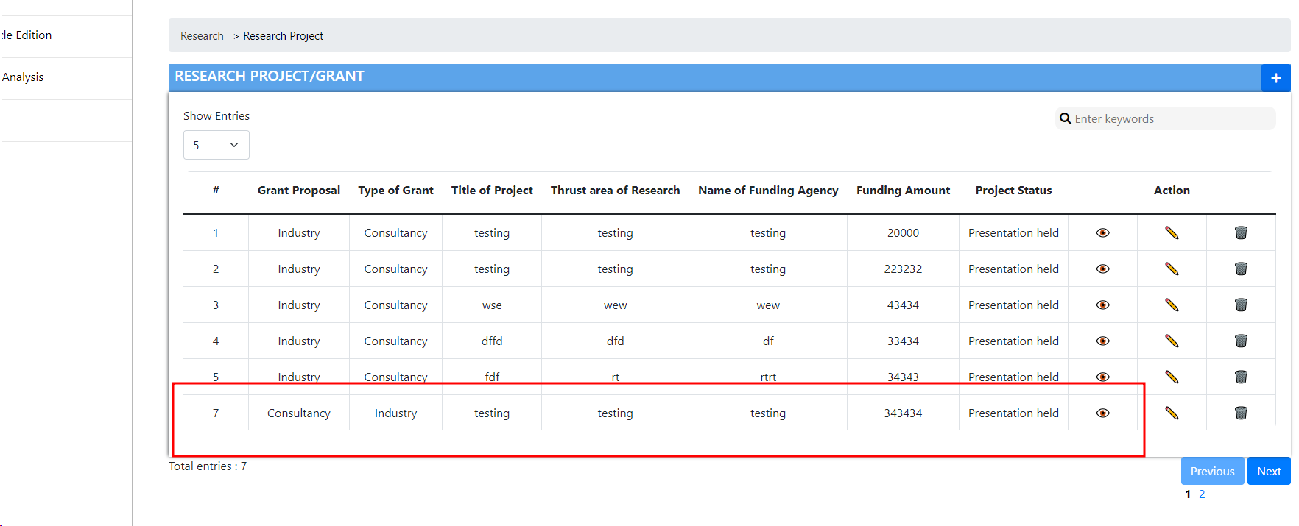

30 | Faculty Details id and Name field is remain as it is. | After closing Add window then Faculty Details id and Name field is remain as it is. | 1.Open the URL https://dev-portal.svkm.ac.in/researches/user 2.Enter valid username and Password. 3.Click on Signin button. 4.Click on Research Option Under dashboard. 5.Click on Research Project. 6.Click On Add option. | After closing Add window then Faculty Details id and Name field should not remain as it is. | After closing Add window then Faculty Details id and Name field is remain as it is. | low |  | 2024-04-30

31 | After submitting Blank fields Error message is not there at Faculty Details External Option. | After selecting External Option then when we try to submit blank fields error message is not there. | 1.Open the URL https://dev-portal.svkm.ac.in/researches/user 2.Enter valid username and Password. 3.Click on Signin button. 4.Click on Research Option Under dashboard. 5.Click on Research Project. 6.Click On Add option. | After selecting External Option then when we try to submit blank fields error message should be there. | After selecting External Option then when we try to submit blank fields error message is not there. | low |  | 2024-04-30

32 | Inside External all fields are not inserted properly. | Inside External all fields are not inserted properly. | 1.Open the URL https://dev-portal.svkm.ac.in/researches/user 2.Enter valid username and Password. 3.Click on Signin button. 4.Click on Research Option Under dashboard. 5.Click on Research Project. 6.Click On Add option. | Inside External all fields should be inserted and displayed properly. | Inside External all fields are not inserted and displayed properly. | high |  | 2024-04-30 | 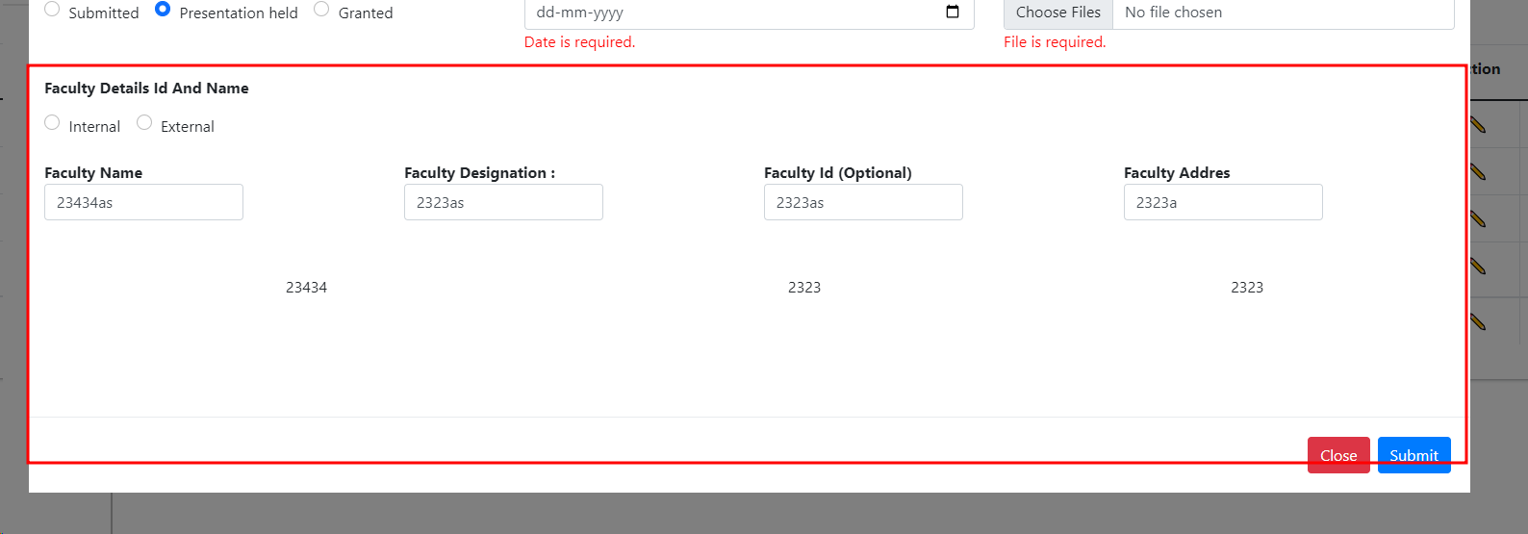

33 | Inside External all fields are accepting Numbers , Special chars inside the field. | Inside External all fields are accepting Numbers , Special chars inside the field and Validation is not on fields. | 1.Open the URL https://dev-portal.svkm.ac.in/researches/user 2.Enter valid username and Password. 3.Click on Signin button. 4.Click on Research Option Under dashboard. 5.Click on Research Project. 6.Click On Add option. | Inside External all fields should not accept Numbers , Special chars inside the field and Validation should be there at fields. | Inside External all fields are accepting Numbers , Special chars inside the field and Validation is not on fields. | low |  | 2024-04-30

34 | Field error messages remains as it is after closing Add page. | Field error messages should not remain as it is after closing Add page. | 1.Open the URL https://dev-portal.svkm.ac.in/researches/user 2.Enter valid username and Password. 3.Click on Signin button. 4.Click on Research Option Under dashboard. 5.Click on Research Project. 6.Click On Add option. | Field error messages should not remain as it is after closing Add page. | Field error messages remains as it is after closing Add page. | low |  | 2024-04-30

35 | Validation Failed Pop up Box not having Close /Ok button. | Validation Failed Pop up Box not having Close /Ok button to close box. | 1.Open the URL https://dev-portal.svkm.ac.in/researches/user 2.Enter valid username and Password. 3.Click on Signin button. 4.Click on Research Option Under dashboard. 5.Click on Research Project. 6.Click On Add option. | Validation Failed Pop up Box should have Close /Ok button to close box. | Validation Failed Pop up Box not having Close /Ok button to close box. | low |  | 2024-04-30 | 